photovoltaics PART 1
PARAMETERS OF PHOTOVOLTAIC PANELS - PART 1

 | 1. PHOTOVOLTAIC PANEL PARAMETERS

 | Type | A-66P |  |  |  |  | 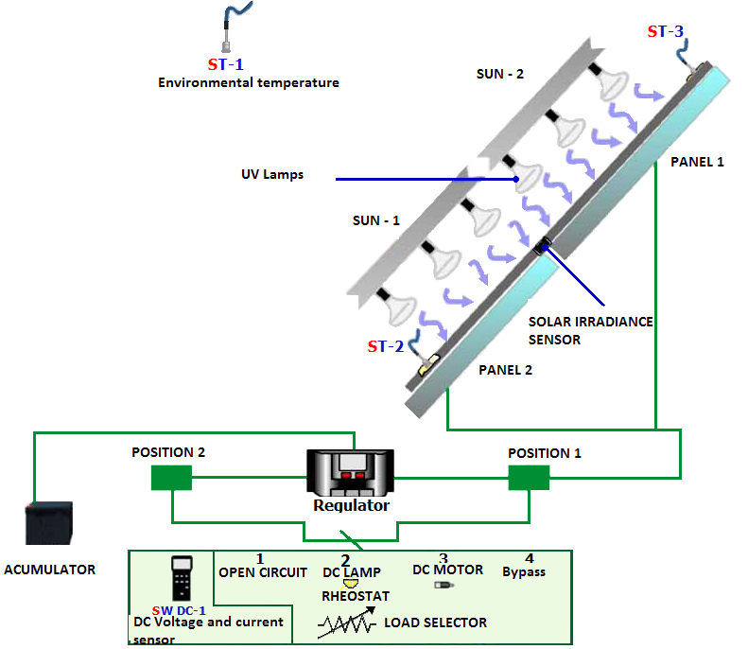
 | Electrical parameters (0,8 kW/m2, ambient temperature 20°C, wind velocity 1 m/s)
 | Power (W in test ± 8%) |  |  |  | 66 | W
 | Number of cells in series |  |  |  | 36
 | Current at maximum power point (Imp) |  |  |  | 3.7 | A
 | Voltage at maximum power point (Vmp) |  |  |  | 17.8 | V
 | Open circuit voltage (Voc) |  |  |  | 22.25 | V
 | Short circuit current (Isc) |  |  |  | 4.05 | A
 | Temperature coefficient of Isc (α) |  |  |  | 1.15 | mA/˚C
 | Temperature coefficient of Voc (β) |  |  |  | -76.32 | mV/˚C
 | System maximum voltage |  |  |  | 700 | V
 | Physical parameters
 | Dimensions (height × width × thickness) |  |  |  | 778×659×35 | mm
 | Area |  |  |  | 0.51 | m2
 | Weight |  |  |  | 6.2 | kg
 |  |  |  |  |  |  | Source: Edibon materials

 | 2. RELATION BETWEEN SOLAR IRRADIANCE AND POWER GENERATED BY PHOTOVOLTAIC PANELS

 | Ressistance of reciving device |  |  | R = | 50% | Formula
 | SUN-2 | PANEL-1
 |  | I | V | E | P
max
 |  | [A] | [V] | [W/m2] | [W]
 |  |  |  |  | 0
 |  |  |  |  | 0
 |  |  |  |  | 0
 |  |  |  |  | 0
min
 |  |  |  |  | 0
 |  |  |  |  | 0
P (E)
V (E)
 | Panel 1
I (E)
 | Panel 1

 | 3. CONCLUSIONS

 | 3.1.Describe the relation between generated power and solar irradiance

 | 3.2. Describe the relation between generated voltage, current and solar irradiance

photovoltaics PART 2
PARAMETERS OF PHOTOVOLTAIC PANELS - PART 2

 | 1. PHOTOVOLTAIC PANEL PARAMETERS

 | Type | A-66P
 | Electrical parameters (0,8 kW/m2, ambient temperature 20°C, wind velocity 1 m/s)
 | Power (W in test ± 8%) |  |  |  | 66 | W
 | Number of cells in series |  |  |  | 36
 | Current at maximum power point (Imp) |  |  |  | 3.7 | A
 | Voltage at maximum power point (Vmp) |  |  |  | 17.8 | V
 | Open circuit voltage (Voc) |  |  |  | 22.25 | V
 | Short circuit current (Isc) |  |  |  | 4.05 | A
 | Temperature coefficient of Isc (α) |  |  |  | 1.15 | mA/˚C
 | Temperature coefficient of Voc (β) |  |  |  | -76.32 | mV/˚C
 | System maximum voltage |  |  |  | 700 | V
 | Physical parameters
 | Dimensions (height × width × thickness) |  |  |  | 778×659×35 | mm
 | Area |  |  |  | 0.51 | m2
 | Weight |  |  |  | 6.2 | kg
 |  |  |  |  |  |  | Source: Edibon materials

 | 2. DETERMINATION OF I-V AND P-V CURVES, FILL FACTOR FF, POWER AND EFFICIENCY

 | R | PANEL-1 (SUN-1 + SUN-2) |  |  |  |  | Formula | 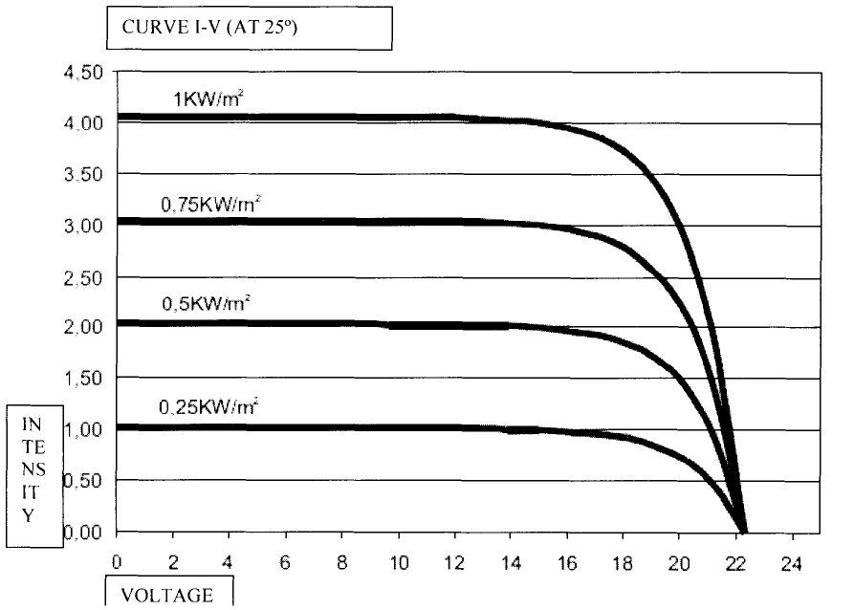
 |  | I | V | E | P | η
 | [%] | [A] | [V] | [W/m2] | [W] | [%]
 | Voc [V] |  |  |  | 0.00 | #DIV/0!
 | max |  |  |  | 0.00 | #DIV/0!
 | 90 |  |  |  | 0.00 | #DIV/0!
 | 80 |  |  |  | 0.00 | #DIV/0!
 | 70 |  |  |  | 0.00 | #DIV/0!
 | 60 |  |  |  | 0.00 | #DIV/0!
 | 50 |  |  |  | 0.00 | #DIV/0!
 | 40 |  |  |  | 0.00 | #DIV/0!
 | 30 |  |  |  | 0.00 | #DIV/0!
 | 20 |  |  |  | 0.00 | #DIV/0!
 | 10 |  |  |  | 0.00 | #DIV/0!
 | 0 |  |  |  | 0.00 | #DIV/0!
 | Isc [A] | 0.00 | 0.0 | 0.0 | 0.00 | #DIV/0!
 | Tpanel [°C]
 | Tambient [°C] |  |  |  |  |  |  | Fig. I-V curves for panel used during the exercise
I - V curve
 | Panel 1
P - V curve
 |  |  |  |  |  |  |  |  | Source: Edibon materials

 | 3. TASKS

 | 3.1. Choose the maximum power generated during the exercise

 | 3.2. Calculate the maximum nominal power generated by panels for Imp and Vmp values (formula 2)

 | 3.3. Choose the maximum efficiency of photovoltaic panels received during the exercise

 | 3.4. Calculate the maximum nominal efficiency of photovoltaic panels (formula 4) - E = 800 W/m2

 | 3.5. Calculate fill factor FF for maximum power received during the exercise - use values Isc and Voc determined during the exercise (formula 5)

 | 3.6. Calculate fill factor FF for maximum nominal power (formula 6)

 | 4. CONCLUSIONS

 | 4.1. Compare experimental I - V curve for Panel 1 with curve I-V , given by panels producer (especially shape, Isc and Voc values)

 | 4.2. Explain the source of differences between those I-V curves

 | 4.3. Compare the panel efficiency with the nominal value

 | 4.4. Compare the fill factor with nominal value

 | 4.5. Explain all differences

photovoltaics PART 3
PARAMETERS OF PHOTOVOLTAIC PANELS - PART 3

 | 1. PHOTOVOLTAIC PANEL PARAMETERS

 | Type | A-66P
 | Electrical parameters (0,8 kW/m2, ambient temperature 20°C, wind velocity 1 m/s)
 | Power (W in test ± 8%) |  |  |  | 66 | W
 | Number of cells in series |  |  |  | 36
 | Current at maximum power point (Imp) |  |  |  | 3.7 | A
 | Voltage at maximum power point (Vmp) |  |  |  | 17.8 | V
 | Open circuit voltage (Voc) |  |  |  | 22.25 | V
 | Short circuit current (Isc) |  |  |  | 4.05 | A
 | Temperature coefficient of Isc (α) |  |  |  | 1.15 | mA/˚C
 | Temperature coefficient of Voc (β) |  |  |  | -76.32 | mV/˚C
 | System maximum voltage |  |  |  | 700 | V
 | Physical parameters
 | Dimensions (height × width × thickness) |  |  |  | 778×659×35 | mm
 | Area |  |  |  | 0.51 | m2
 | Weight |  |  |  | 6.2 | kg
 |  |  |  |  |  |  | Source: Edibon materials

 | 2. PANELS CONNECTED IN SERIES/PARALLEL

 | R | PANEL 1 (SUN-1 + SUN-2) |  |  |  | SERIES (SUN-1 + SUN-2) |  |  |  | PARALLEL (SUN-1 + SUN-2)
 |  | I | V | E | P | I | V | E | P | I | V | E | P
 | [%] | [A] | [V] | [W/m2] | [W] | [A] | [V] | [W/m2] | [W] | [A] | [V] | [W/m2] | [W]
 | Voc [V] |  |  |  | 0.00 |  |  |  | 0.00 |  |  |  | 0.00
 | max |  |  |  | 0.00 |  |  |  | 0.00 |  |  |  | 0.00
 | 90 |  |  |  | 0.00 |  |  |  | 0.00 |  |  |  | 0.00
 | 80 |  |  |  | 0.00 |  |  |  | 0.00 |  |  |  | 0.00
 | 70 |  |  |  | 0.00 |  |  |  | 0.00 |  |  |  | 0.00
 | 60 |  |  |  | 0.00 |  |  |  | 0.00 |  |  |  | 0.00
 | 50 |  |  |  | 0.00 |  |  |  | 0.00 |  |  |  | 0.00
 | 40 |  |  |  | 0.00 |  |  |  | 0.00 |  |  |  | 0.00
 | 30 |  |  |  | 0.00 |  |  |  | 0.00 |  |  |  | 0.00
 | 20 |  |  |  | 0.00 |  |  |  | 0.00 |  |  |  | 0.00
 | 10 |  |  |  | 0.00 |  |  |  | 0.00 |  |  |  | 0.00
 | 0 |  |  |  | 0.00 |  |  |  | 0.00 |  |  |  | 0.00
 | Isc [A] | 0.00 | 0.0 | 0.0 | 0.00 | 0.00 | 0.0 | 0.0 | 0.00 | 0.00 | 0.0 | 0.0 | 0.00
 | T [°C]

I - V curve
 | SERIES | PARALLEL | SINGLE PANEL
0.0 | 0.00 | 0.00 | 0.00
P - V curve

 | 3. CONCLUSIONS
 | 3.1. Describe differences between I-V curve for single panel and for panels connected in series/parallel (Isc and Voc values, maximum generated power)

 | 3.2. Describe what happens with generated current and voltage when panels are connected in series and in parallel

